Application Screen
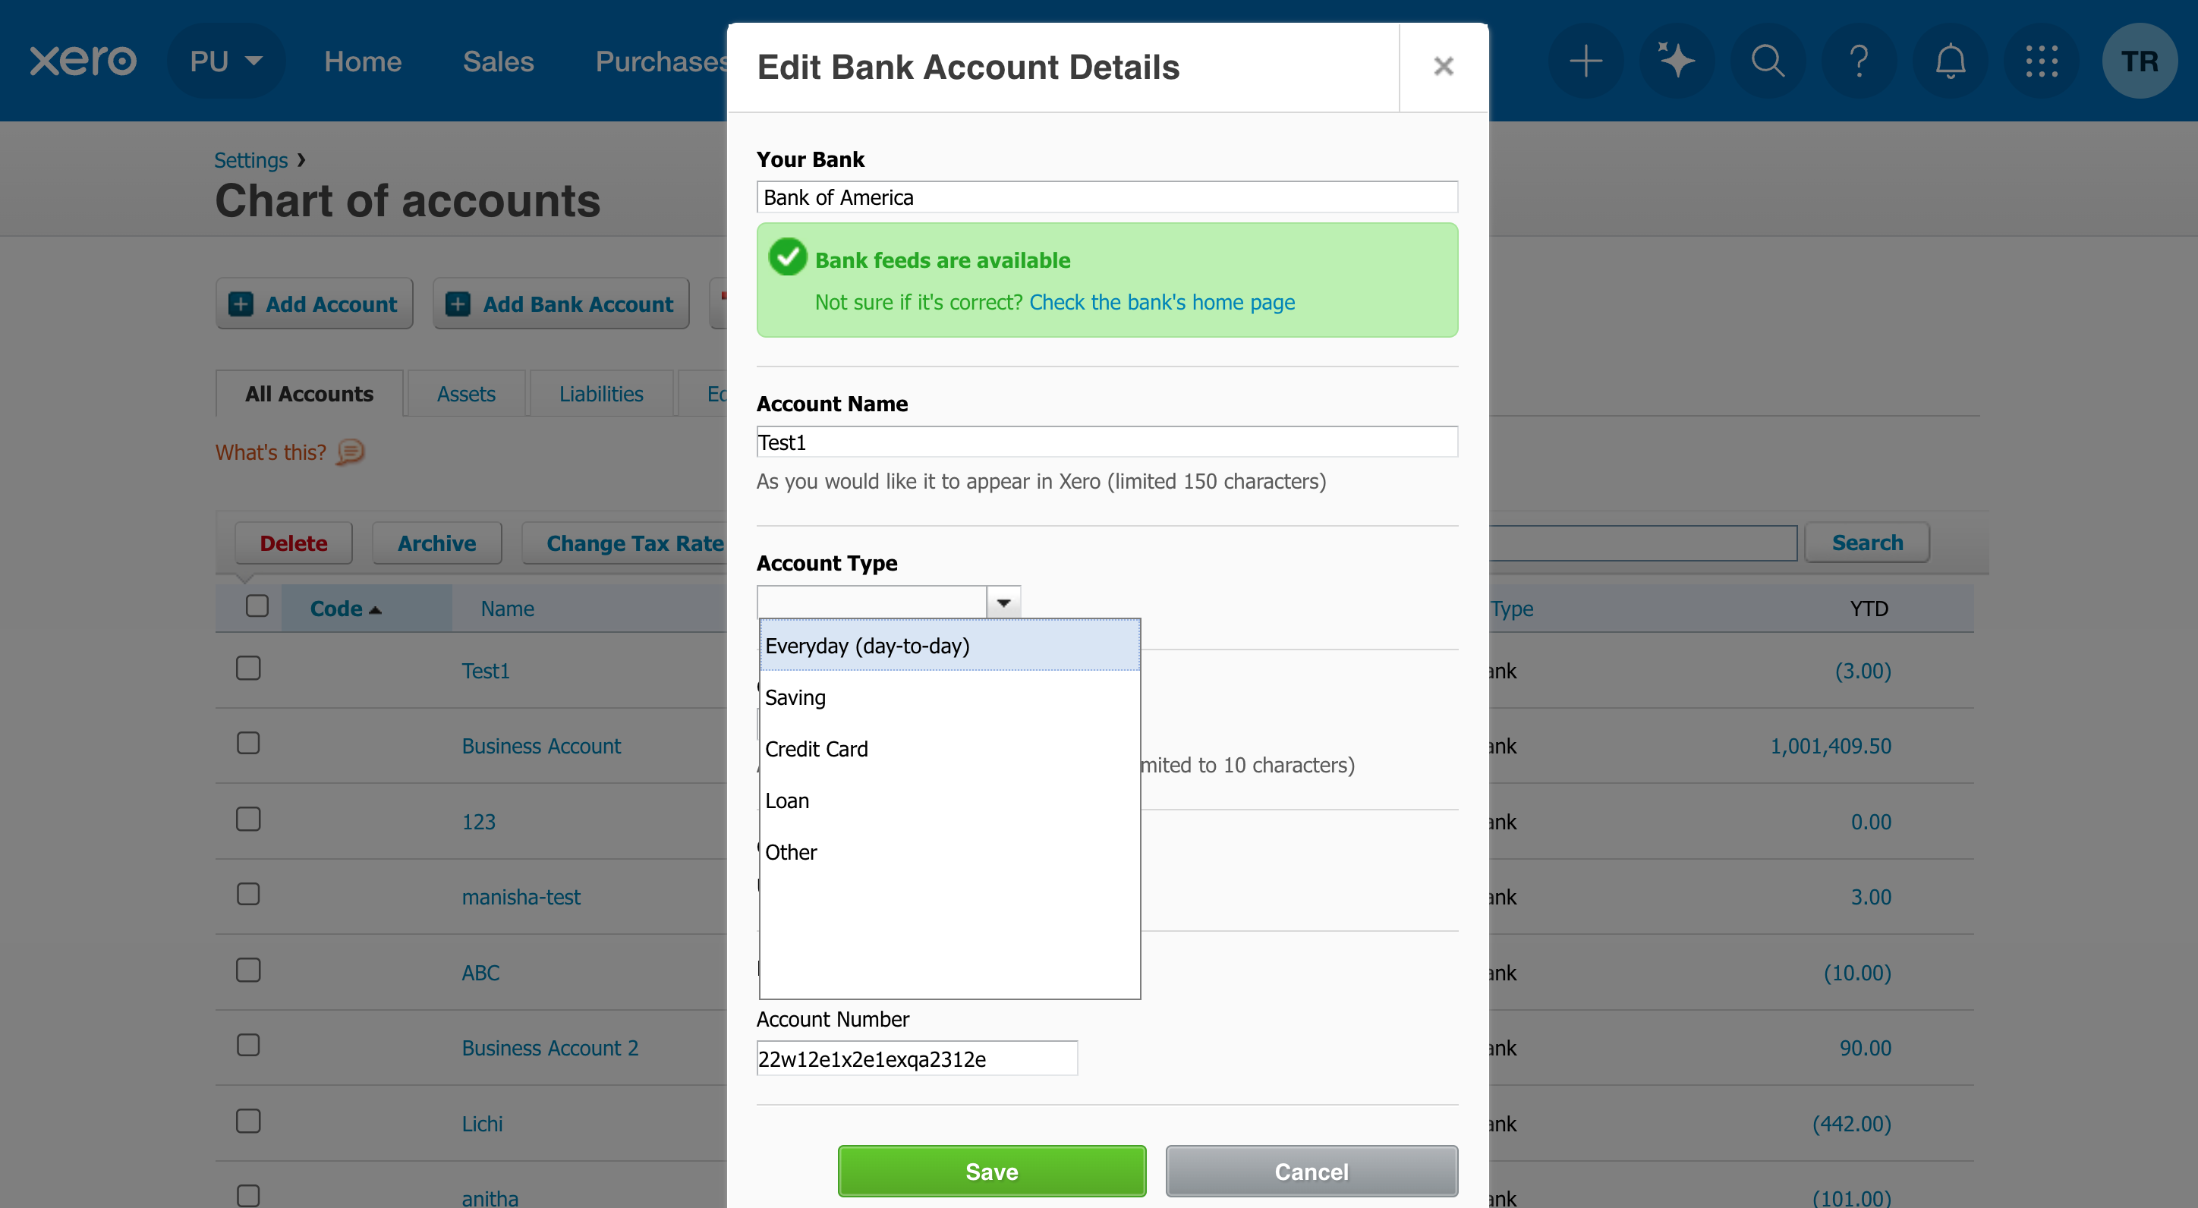

Test Case 7
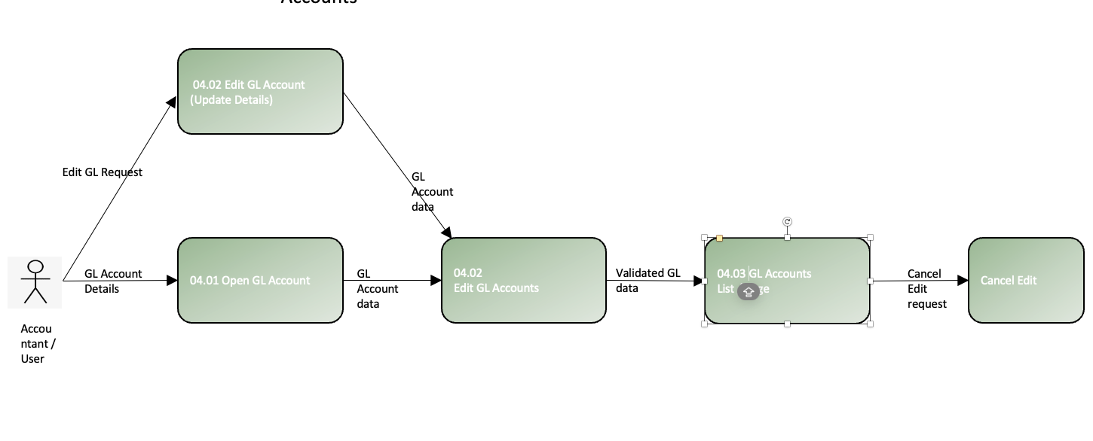
TC Title: | TC3 Edit GL Account —Data Flow In (Form Pre-Population & Default Refresh)

TC Objective: | Verify DF-In behavior: the Edit Account form loads fields from the current account record (Code, Name, Type, Tax, checkboxes) and, before saving, changing Type refreshes any default Tax from org settings. No unintended changes should persist if you cancel.

Test Data (optional): | Existing account to inspect (non-bank): Code: 6105 Name: Office Supplies Type: Expense Tax: Default Note org defaults (e.g., Expense → Input/Purchase; Income → Sales/Output).

TC Description
 | Step | Step Description | Expected Results
 | 1 | Log in as Advisor (or Standard). | Dashboard loads.
 | 2 | Go to Accounting → Chart of accounts. Search for Code 6105 (or target). | Target row found.
 | 3 | Open the account and click Edit. | Edit Account form opens with values pre-filled.
 | 4 | Verify pre-population: Code, Name, Type, Tax, and checkboxes (Watchlist / Expense Claims / Enable payments). | All fields match the existing record; labels and states correct.
 | 5 | Note the lock and any help text. Skip to Step 9. | Recorded: “Type locked in this tenant” (DF-In still passes).
 | 6 | Change Type = Income. Do not save. | Tax refreshes to the org’s Income default (if configured). Record actual value. No data persisted yet.
 | 7 | Change Type = Expense again. Do not save. | Tax refreshes back to Expense default. Record the value.
 | 8 | click Cancel. Confirm leaving without saving (if prompted). | Original Code/Name/Type/Tax still present (unchanged).
 | 9 | Back on the list, re-open Edit for the same account. | Original configuration restored.
 | 10 | Evidence: screenshots of the pre-populated form, Type change → Tax refresh (if applicable), and the unchanged values after Cancel. | Evidence stored with TC ID references.

